1. Title Page
Instacart Data Analysis: Final Report

Project Name: Instacart Data Analysis: Final Report
Date: September 4, 2023
Analyst Name: Adilya Zaripova

Contents:
Population Flow
Consistency checks
Wrangling steps
Column derivations
Visualizations
Recommendations
Bonus: User Data Concerns
Bonus: Missing Product Data

Data citation:
"The Instacart Online Grocery Shopping Dataset 2017", accessed from www.instacart.com/datasets/grocery-shopping-2017 via Kaggle. The customer data as well as the “prices” column in the products data set, were both fabricated for the purpose of this course.

2. Population Flow
Title page

Population flow

Exclusion flag
Final total count of order_products_all used in the analysis: 32404859 rows and 34 columns before exclusion
Condition: customers with max_order < 5 were removed.
Obervations to be removed: extremely high price values were discovered and remmoved.

49693 rows, 5 columns
206209 rows , 10 columns
32434489 rows , 4 columns
3421083 rows, 7 columns

206209 rows, 8 columns

3421083 rows,
6 columns
32434489 rows,
4 columns
49672 rows,
5 columns

Orders_products_combined
Orders_products_merged
Orders_products_all

Total:
Total:
32434489 rows, 9 columns
32404859 rows, 13 columns
Total:
32404859 rows, 26 columns

3. Consistency checks
 |  |  |  | Title page
Consistency checks

Dataset | Missing values | Missing values treatment | Duplicates
orders | 206209 rows of missing data in 'days_since_prior_order' | ignore | none
products | 16 rows of missing rows in 'product_name' column | deleted | 5 duplicates deleted

customers | 11259 missing values for customer first name | the column wasn't used in the analysis | none

4. Wrangling steps
 |  |  |  | Title page
Wrangling steps

Columns dropped | Columns renamed | Columns' type changed | Comment/Reason
orders: eval_set | orders: order_dow to order_day_of_the_week | orders: user_id to string | user_id to string was changed back to integer to enable the merge with the customer data.
 |  | orders: order_id to string
customers: First Name | customers: Gender to gender
customers: Surnam | customers: Age to age
 | customer: STATE to state

 |  |  | departments: data transposed

5. Column derivations
 |  |  |  | Title page

Column derivations and aggregations
Products of different ranges:
Mid-range product 21860860 Low-range product 10126321 High-range product 417678

Busiest day
Regularly busy 22416875
Busiest day 6204182
Least busy 3783802
Dataset | New column | Column/s it was derived from | Conditions
orders_products_merged | price_range | prices | Low-range <5 Mid-range product 5-15 High-range >15
orders_products_merged | busiest_day | order_day_of_the_week | Busiest day=0 Least busy=4 Regularly busy=1,2,3,5,6
Busiest days
Regularly busy 12916111
Busiest days 11864412
Least busy 7624336
orders_products_merged | busiest_days | order_day_of_the_week | Busiest days=0,1 Least busy=4,3 Regularly busy=1,2,3,5,6
Busiest period
Most orders 21118071 Average orders 8567789 Fewest orders 2718999
orders_products_merged | busiest_period_of_day | order_hour_of_day | High = one of these days: 10, 11, 14, 15, 13, 12, 16, 9 Average= one of these days 8, 18, 19, 20, 7, 17 Low= one of these days 21, 22, 23, 6, 0, 1, 5, 2, 4, 3
Loyalty flag:
Regular customer 15876776
Loyal customer 10284093
New customer 4803695
orders_products_merged | loyalty_flag | order_number user_id | New customer <= 10 Regular customer>10 and <=40 Loyal customer >40
Spending range
Low spender 31770614
High spender 634245
orders_products_merged | spending_range | user_id prices average_price | Low spender<10 High spender>=10
Frequency range
Frequent customer 21559853
Regular customer 7208564
Non-frequent customer 3636437 New customer 5
orders_products_merged | frequency_flag | user_id days_since_prior_order median_days_spo | Frequent customer >20 Regular customer >10 & <=20 Non-frequent customer >0 and <=10 New customer 0
Week
Weekday 19644268
Weekend 11320296
orders_products_all | week | order_day_of_the_week | Weekend= one of these days 0,1 Weekday= one of these days 2,3,4,5,6
Region
South 10791885
West 8292913
Midwest 7597325
Northeast 5722736
orders_products_all | region | state | northeast='Maine', 'New Hampshire', 'Vermont', 'Massachusetts', 'Rhode Island', 'Connecticut', 'New York', 'Pennsylvania', 'New Jersey' midwest= 'Wisconsin', 'Michigan', 'Illinois', 'Indiana', 'Ohio', 'North Dakota', 'South Dakota', 'Nebraska', 'Kansas', 'Minnesota', 'Iowa', 'Missouri' south='Delaware', 'Maryland', 'District of Columbia', 'Virginia', 'West Virginia', 'North Carolina', 'South Carolina', 'Georgia', 'Florida', 'Kentucky', 'Tennessee', 'Mississippi', 'Alabama', 'Oklahoma', 'Texas', 'Arkansas', 'Louisiana' west= 'Idaho', 'Montana', 'Wyoming', 'Nevada', 'Utah', 'Colorado', 'Arizona', 'New Mexico', 'Alaska', 'Washington', 'Oregon', 'California', 'Hawaii'
Profile
Big family 14532650
One-person household 7739681
Family 7211061
Single parent 1481172
orders_products_all | profile | fam_status n_dependants | One-person household (single, divorced/widowed, or living with parents and siblings person with no dependants) Single parent (single, divorced/widowed, or living with parents person with one or more dependants) Family (married person with a maximum of one dependant) Big family (married person with two and more dependants)
Age category
Adult 14547717
Senior 10112607
Youthful 6304240
orders_products_all | age_categories | age | Youthful (18-30 years) Adult (30-60 years) Senior (over 60 years)
Income brackets
Regular income 22189707
Lower income 8520715
High income 254142
orders_products_all | income_brackets | income | Lower income (<70000) Regular income (70000-200000) High income (>200000)
Weekday engagement
Active on weekdays 16123445 Active on weekends 14841119
orders_products_all | weekday_engagement | order_day_of_the_week | Active on weekends (most of orders were placed during weekend - days 0 and 1) Active on weekdays (most of orders were placed during weekdays - days 2-6)
Our of day engagement
During business hours 25635740 Beyond business hours 5328824
orders_products_all | time_day_engagement | order_hour_of_day | During business hours (most of orders were recorded between 8 AM and 5 PM, aligning with typical business hours.) Beyond business hours (most of orders were recorded between 12 AM and 7 AM, as well as between 6 PM and 11 PM, which fall outside conventional business hours)

6. Visualizations
 |  |  |  |  |  | Title page

Visualizations

Questions: | Answers: |  |  | Visualizations:

1. Orders

1. What is the busiest day of the week? | 1. The largest number of orders occurs on Saturdays and Sundays.

 |  |  | 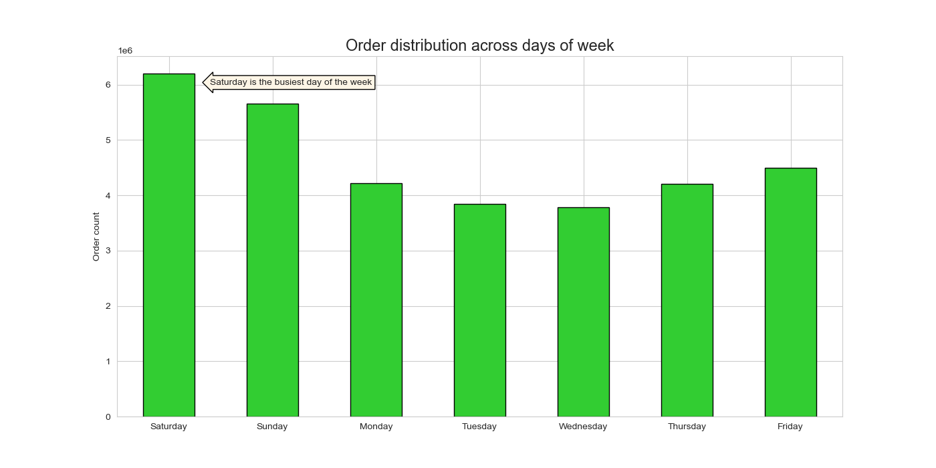
2. What is a typical order distribution throughout the day? | 2. Orders typically begin to increase at around 7 AM, reach their highest point around 10 AM, and maintain a steady level until approximately 3 PM. After this time, the number of orders placed begins to decline. This pattern holds true both on weekdays and weekends.
 |  |  | 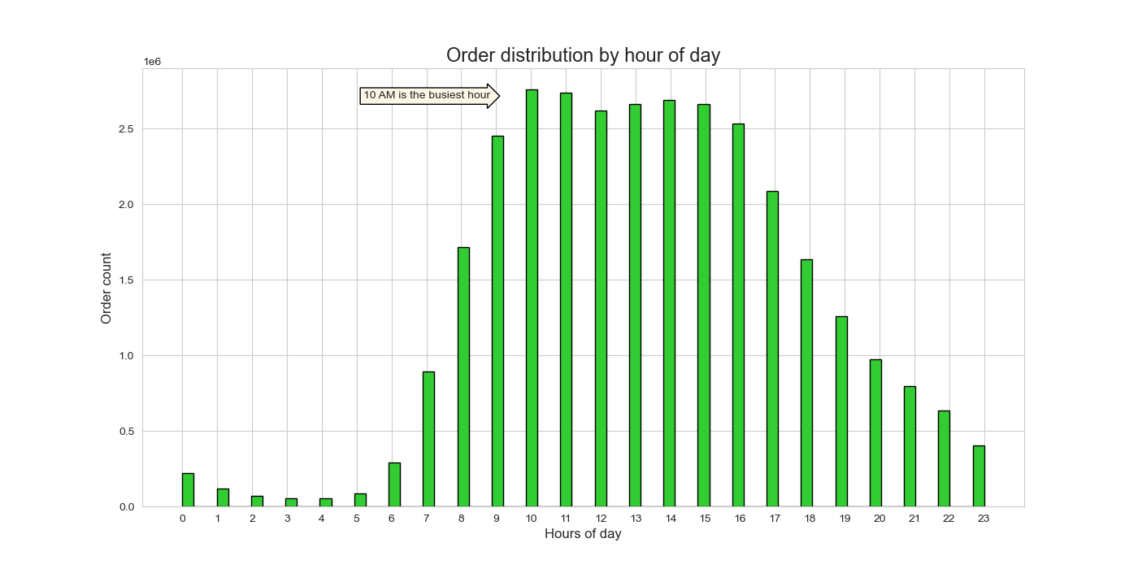 |  |  | 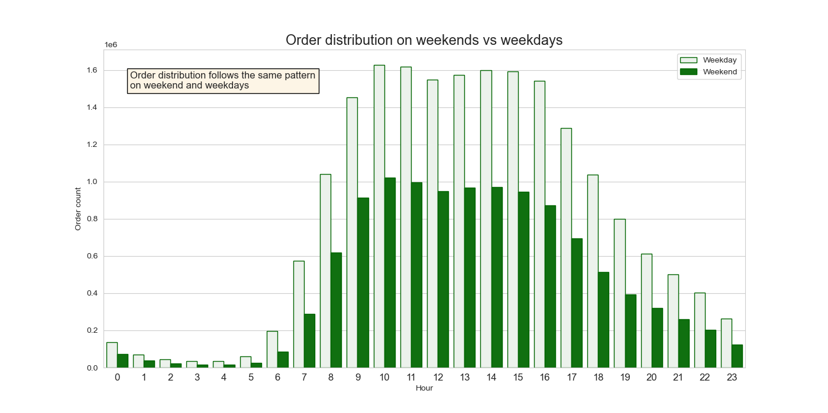
3. What is distribution of orders among customers with different loyalty status? | 3. The majority of orders are placed by regular customers who have made between 10 and 40 orders. While loyal customers tend to place a higher number of orders individually, the total number of regular customers is significantly larger. Consequently, this group collectively generates the highest total number of orders.
 |  |  | 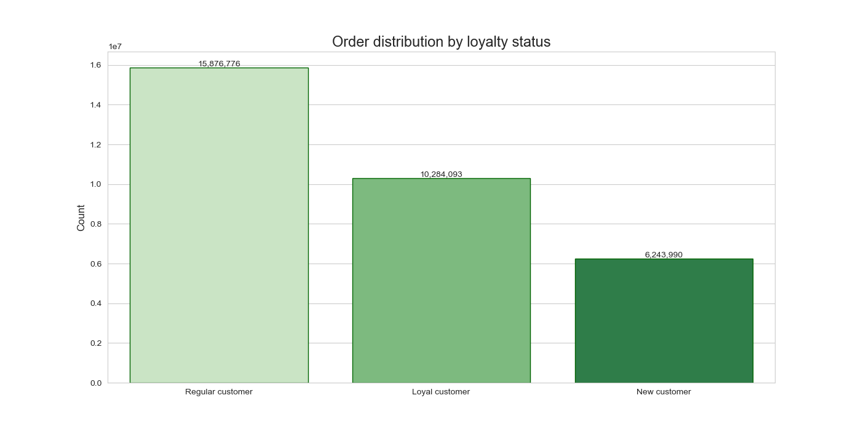
4. Which region has the most orders by spending habits - high spenders vs low spenders? | 4. Overall, the distribution of orders across regions aligns with the population distribution. The South, being the most densely populated region, records the highest number of orders, while the Northeast, with a lower population, has the lowest order count in our database. This suggests that the demand for the service is relatively consistent across all regions of the country.
 |  |  | 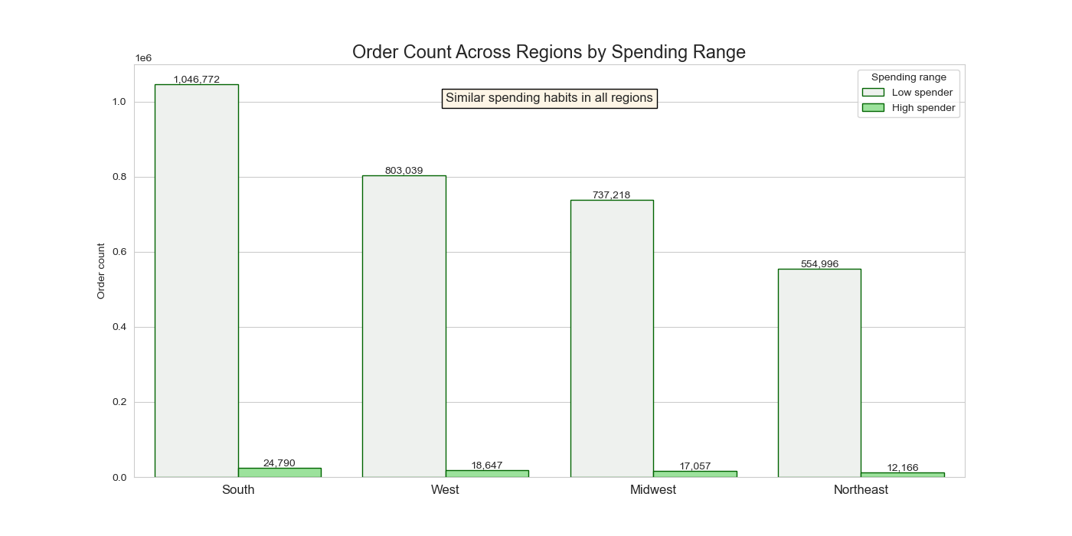
2. Products

1. What is a typical expenditure by the hour of the day? | 1.Upon closer examination using a detailed line plot, it becomes evident that the variation between the lowest and highest values is approximately 0.2. This indicates that, excluding the instances of exceptionally high prices, the overall expenditure remains relatively steady throughout the day.
 |  | 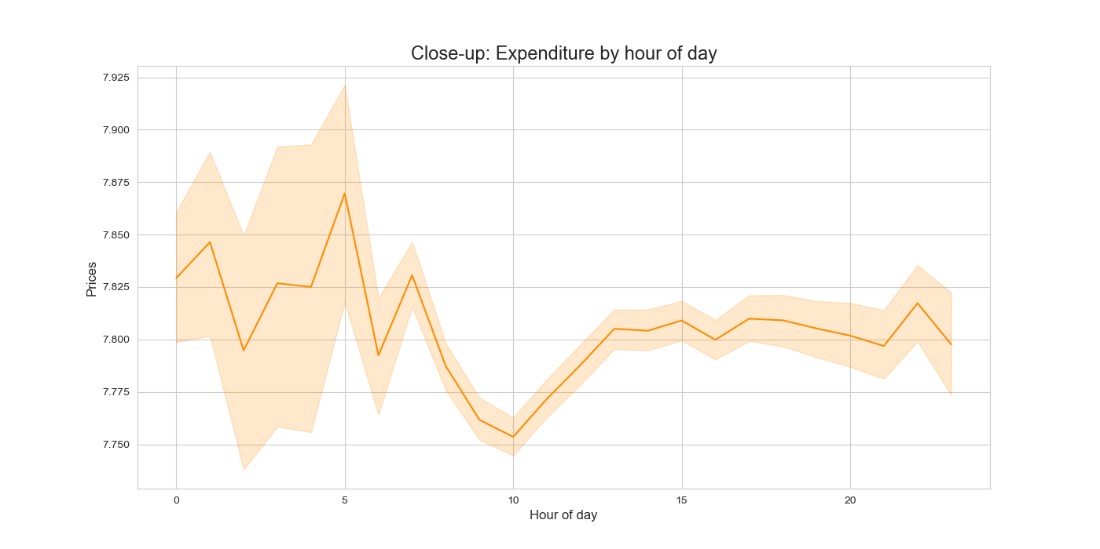 |  |  | 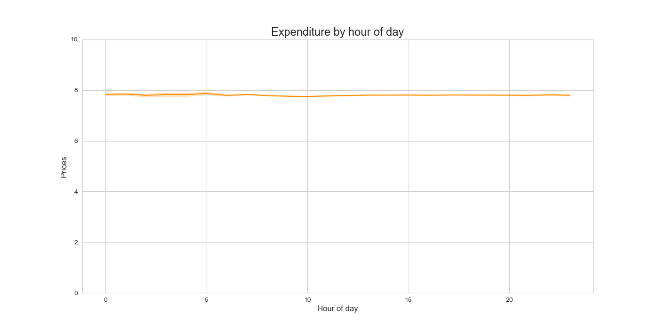
2. Which price range of products has the highest popularity nationwide? | 2. Mid-range products, falling within the price range of $5 to $15, consistently take the lead in terms of popularity across all regions.
 |  | 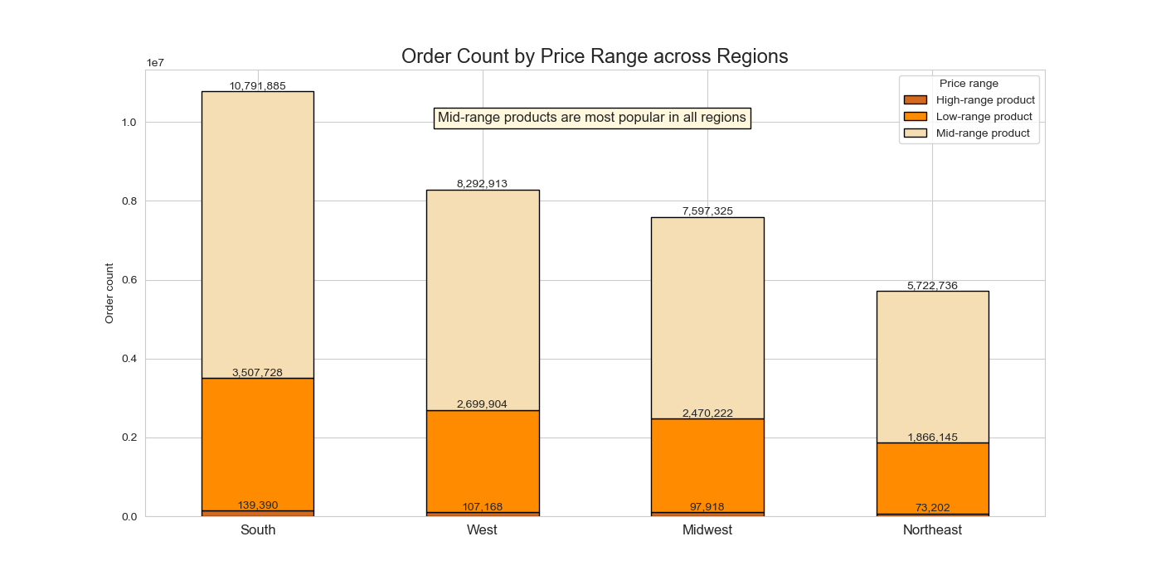
3. What are the 10 most popular products? | 2. Here are the top 10 most frequently ordered products, with bananas being the absolute favorite.
 |  | 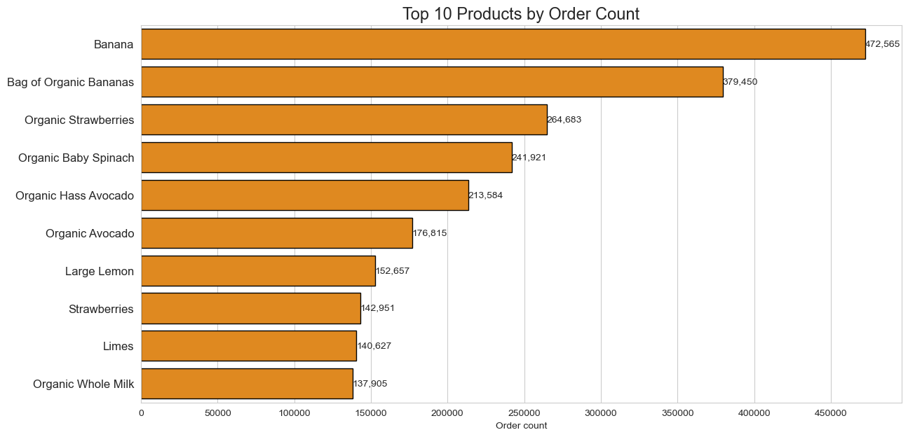
4. What are the most popular departments in all regions? | 3. The produce department is the most commonly ordered category of products, followed by dairy and eggs, which is the second most popular department.
 |  |  | 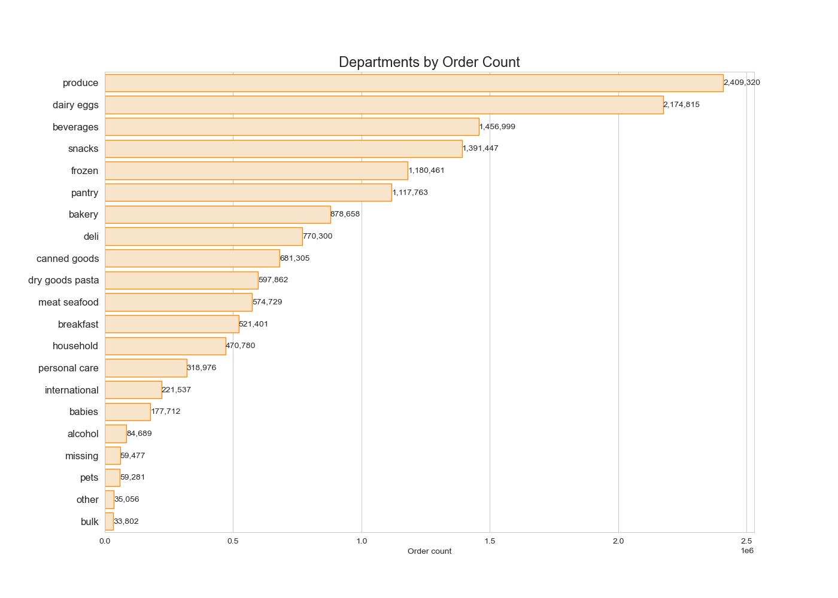
5. What are the most popular departments by region? | 4. The most popular departments are consistent across all regions.

 |  |  | 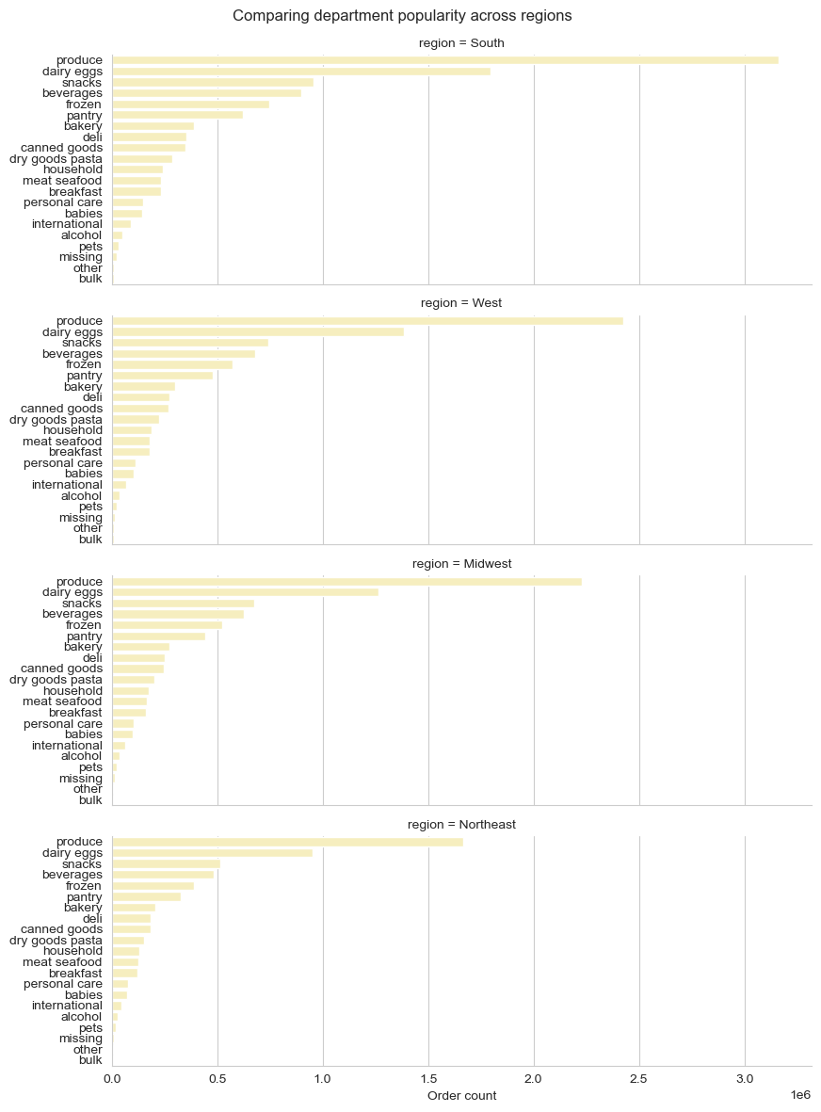

3. Customers

1. Is there a connection between age and the number of dependants? | 1. The absence of a correlation between age and the number of dependents appears unusual. In typical scenarios, we wouldn't anticipate both young and elderly users having the same number of dependents. For further insights, please refer to sheet 8, titled "Bonus User Data Concerns," which provides additional details on this matter.
 |  |  | 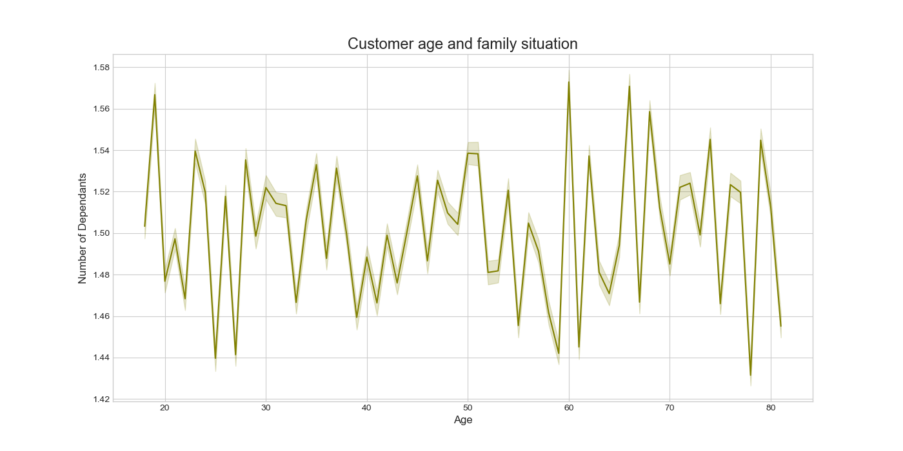 |  |  |  | 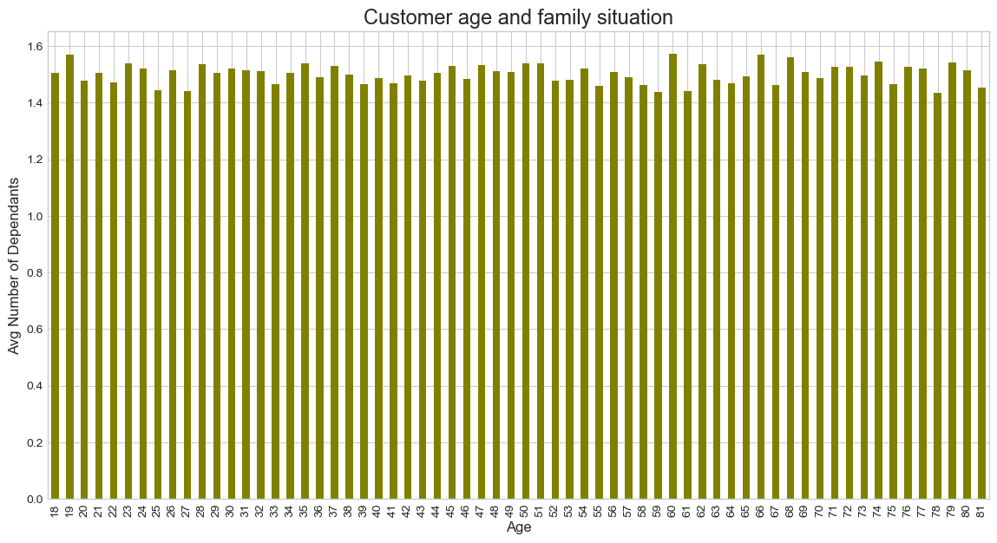

2. Is there a connection between age and spending power (income)? | 2. The scatterplot reveals that most customers, regardless of age, have an income below 200k. However, there is a notable increase in the proportion of customers earning between 200k and 400k once they reach the age of 40 and older. Additionally, customers aged 40 and above are the only group with individuals earning between 400k and 600k.

 |  |  | 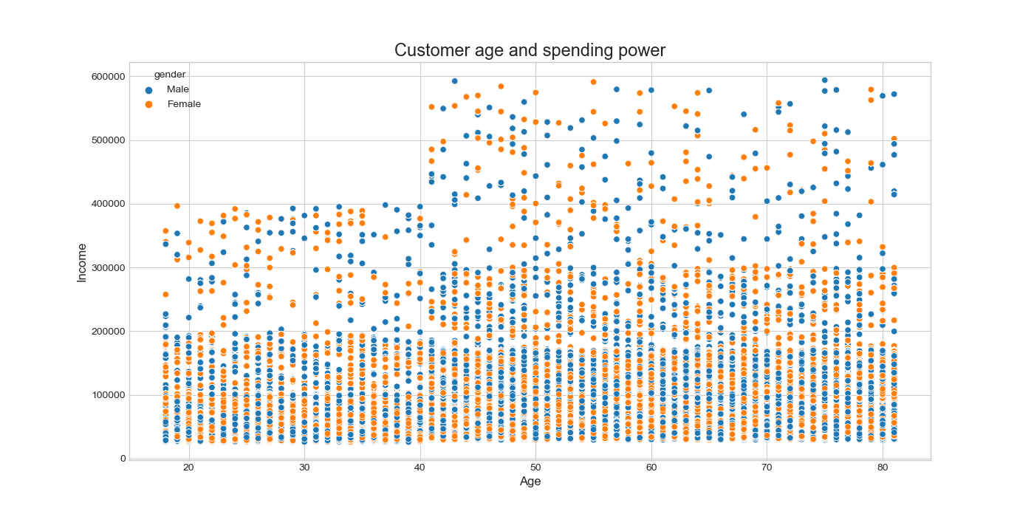

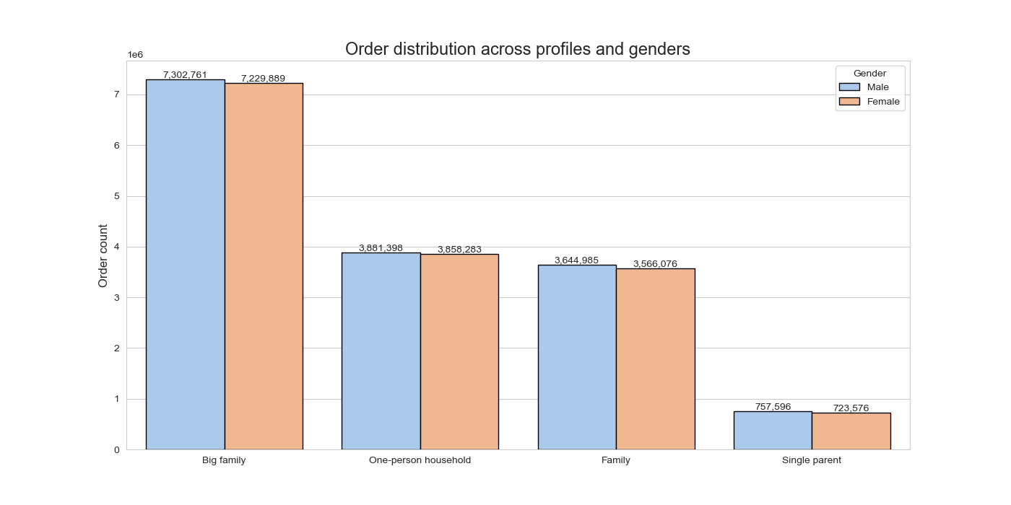
3.1 Customer profiling
In alignment with directives from the marketing and business strategy the following four customer profiles were created to enable grouping and analysis of the data.
One-person household (single, divorced/widowed, or living with parents and siblings person with no dependants)
Single parent (single, divorced/widowed, or living with parents person with one or more dependants)
Family (married person with a maximum of one dependant)
Big family (married person with two and more dependants)
I chose against creating a large number user profiles because it will clutter visualizations and make them hard to understand.
Each profile can be further analysed by:
Age:
Youthful (18-30 years)
Adult (30-60 years)
Senior (over 60 years)
Income:
Lower income (<70000)
Regular income (70000-200000)
High income (>200000)
(Note: These groupings are predicated on the data distribution within the current dataframe and do not correlate with income classifications specified by the World Bank or other financial institutions.)
Weekday engagement:
Active on weekends (most of orders were placed during weekend - days 0 and 1)
Active on weekdays (most of orders were placed during weekdays - days 2-6)
Time of day engagement:
During business hours (most of orders were recorded between 8 AM and 5 PM, aligning with typical business hours.)
Beyond business hours (most of orders were recorded between 12 AM and 7 AM, as well as between 6 PM and 11 PM, which fall outside conventional business hours)
AZ: I would like to draw your attention to several observations regarding the customer data. I advise the data owner to undertake a comprehensive audit of the records to ensure the accuracy of data. Please review the sheet 8. 'Bonus: User Data Concerns'' in "Instacart_Data_Analysis_Final_Report_Adilya_Zaripova.xlsx" for more details.
1. Create new variables to enable grouping and profiling of customers.

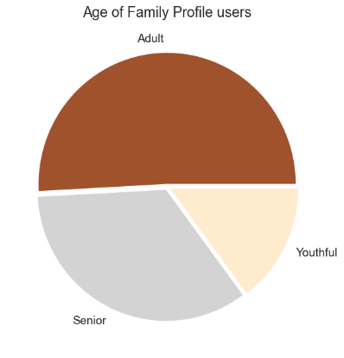
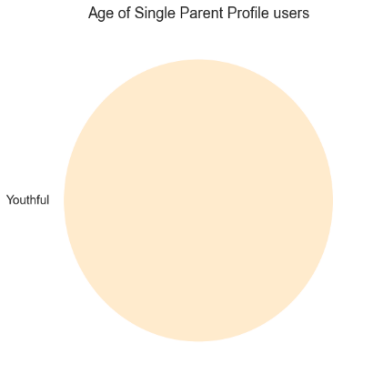
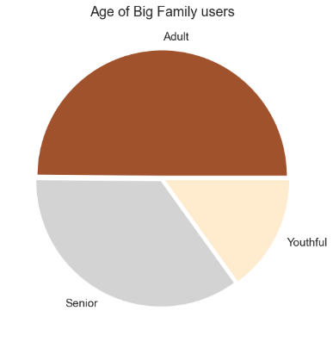
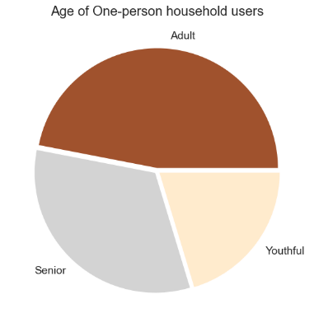

Age

When we look at the information across various aspects, we notice that, except for single parents, all types of users have similar characteristics in terms of age and income. Furthermore, their shopping behaviors on different days of the week and hours of the day also show consistent patterns.
Based on these findings, we can deduce that the average Instacart user is typically a married man with two or more children, and a regular income. They tend to do almost half of their shopping on weekends and are most active between 8 AM and 5 PM.
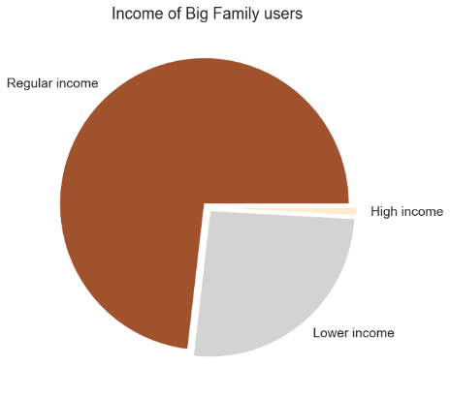
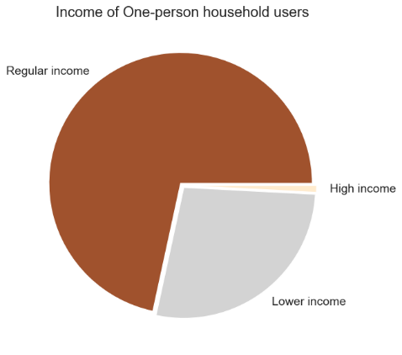

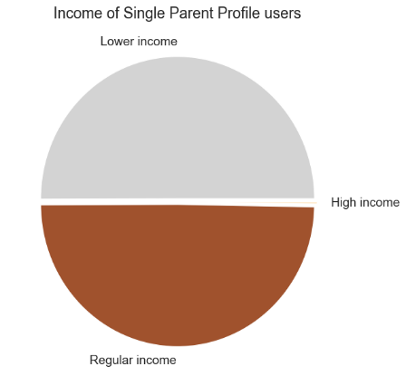

Income

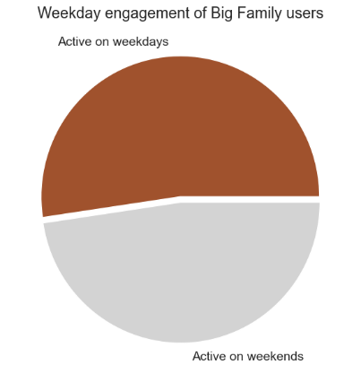
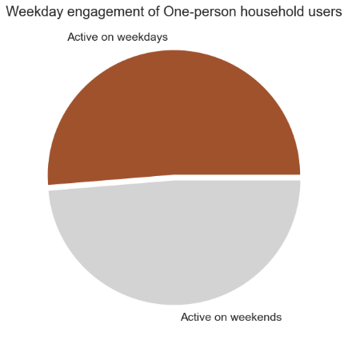
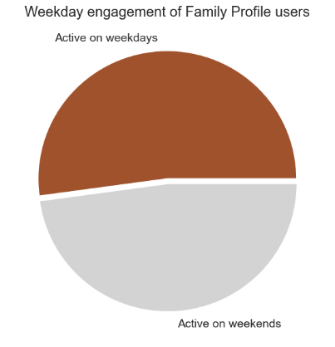
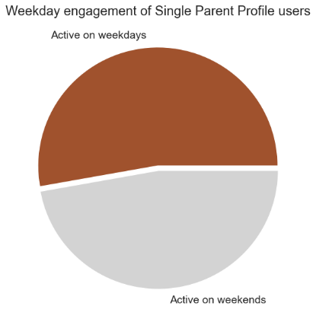

Activity by weekdays

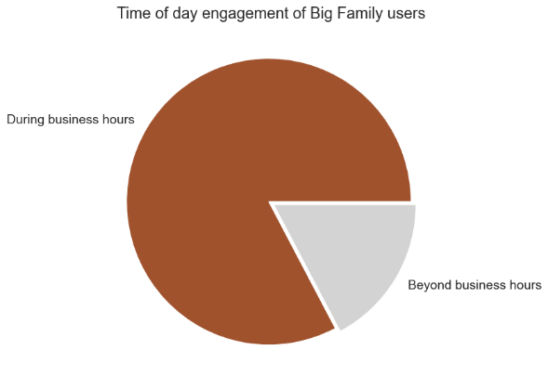
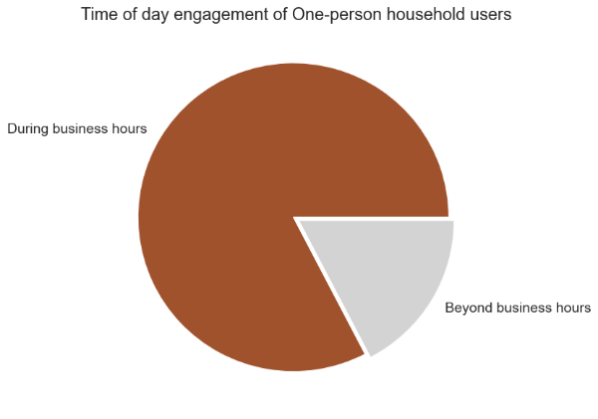
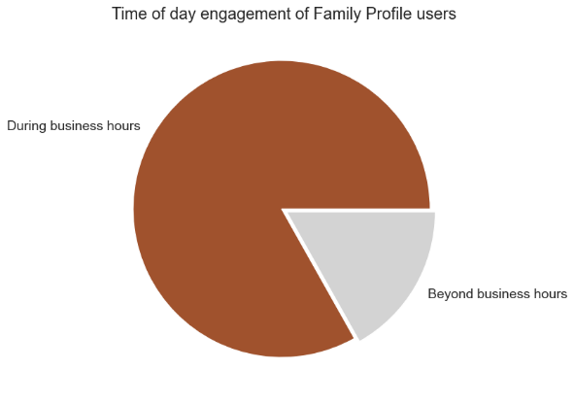


Activity by
hour of day

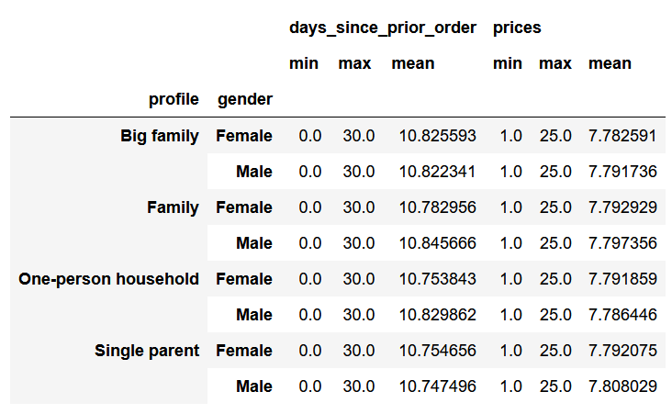
2. Aggregate the max, mean, and min variables on a customer-profile level | 2. Due to the unnaturally even distribution of data in the user dataset, we hardly see any difference between the minimum, maximum, and average usage frequency and expenditure across all profiles. Please review sheet '8. Bonus User Data Concerns' for more details on my concerns regarding the data.¶

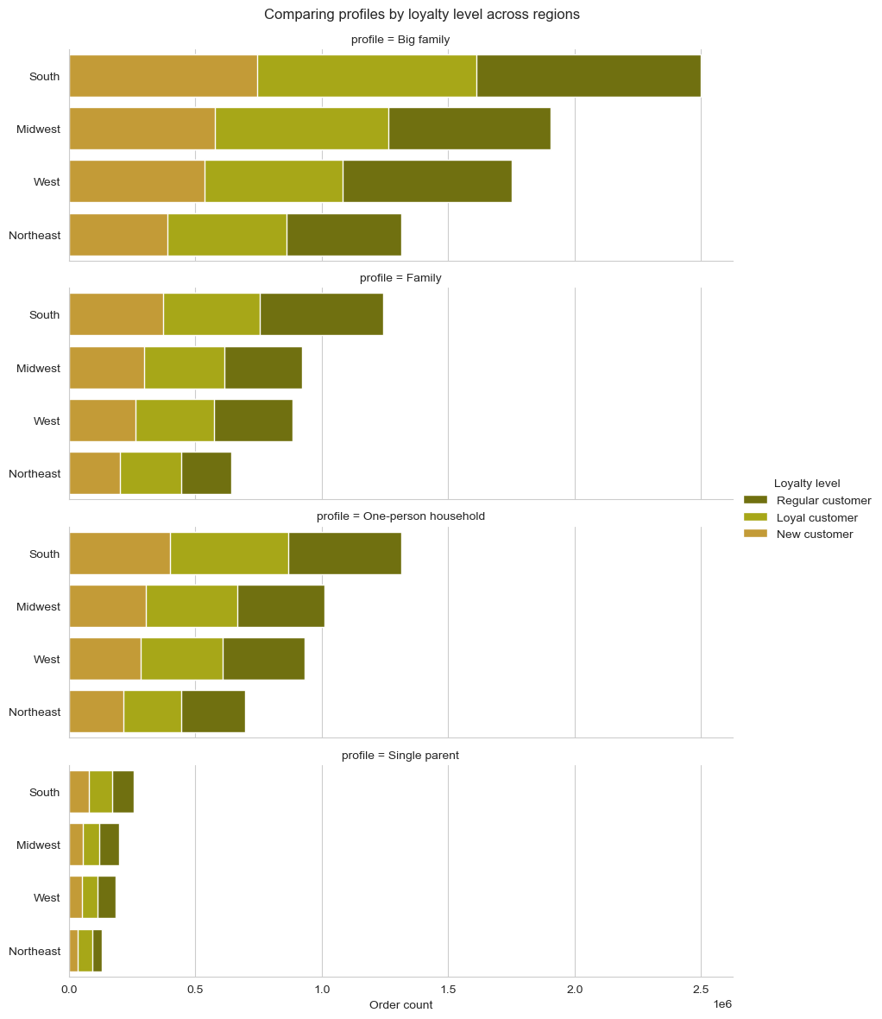
3. What is the distribution of orders by customer profile across regions? | 3. When it comes to customer loyalty status, behavior remains consistent across all regions and user profiles.

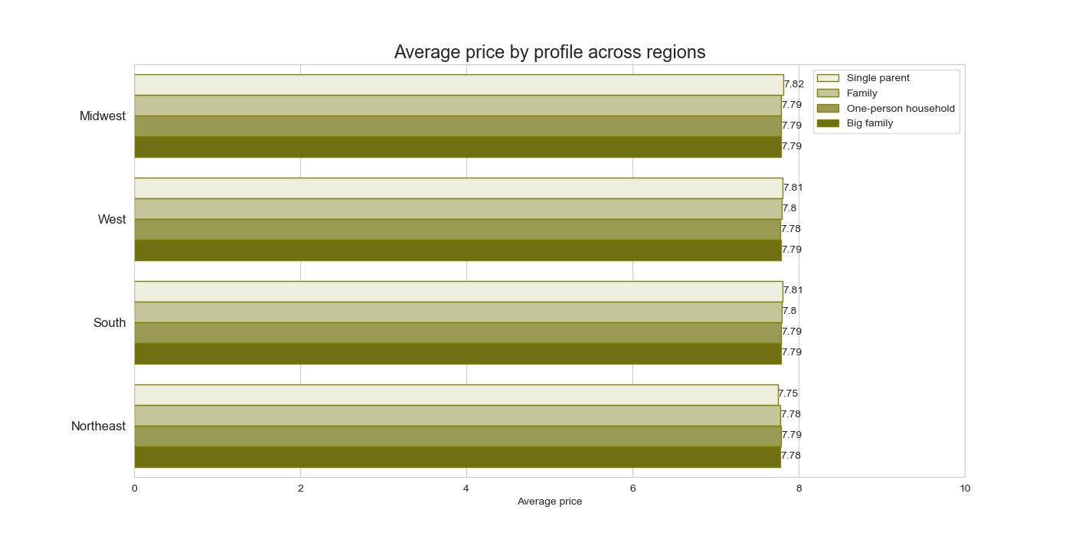
4. What is the average price of products ordered by people with different family status in different regions? | 4. The average price of products ordered by customers, regardless of their profiles or regions, is almost identical, ranging between $7.75 and $7.82.

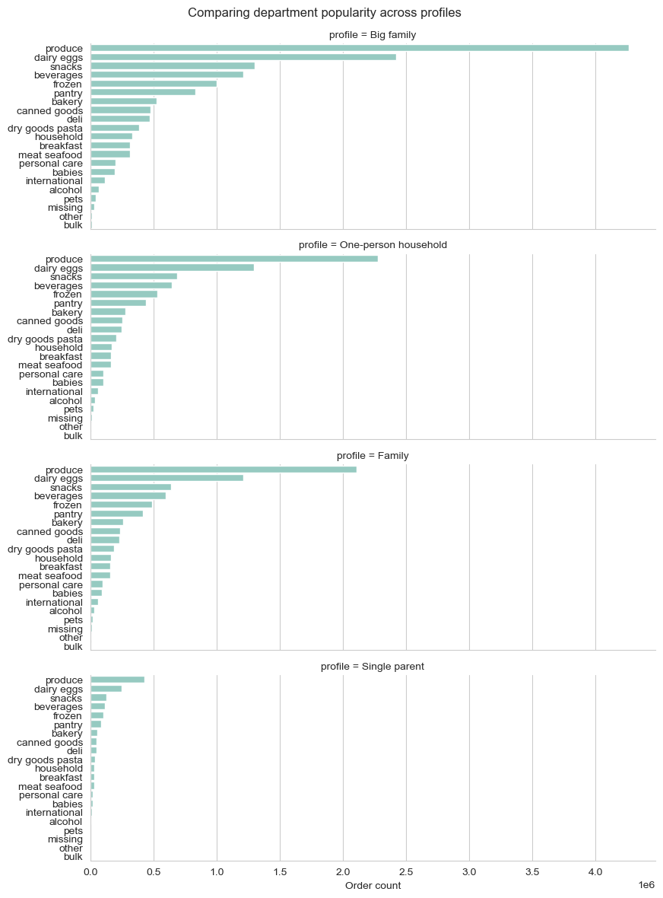
5. What departments are most popular for different profiles? | 5. While one might anticipate that individuals from different types of households would have varied product preferences, it's worth noting that the data distribution among these user groups appears surprisingly similar. Please refer to section 8, titled "Bonus User Data Concerns," for further insights.

7. Recommendations
 |  | Title page

Recommendations

Insights: | Recommendations:

1. Orders

1. About half of all orders get placed on weekends, when people tend to have more time for grocery shopping. | 1. To boost user activity during the weekdays, Instacart could introduce and promote services for very quick shopping that could be done in between work tasks. To optimize the user experience, consider offering personalized recommendations and promotions that align with the identified shopping patterns, such as promoting weekend deals and targeting marketing efforts between 8 AM and 5 PM.

2. The distribution of orders across different regions in relation to the population follows the same pattern. | 2. The app is equally popular in all regions. South and West, as the most populated regions, offer more room for growth and should be prioritized if necessary.

3. The average price of ordered products remains consistent throughout different hours of the day, user profiles, and geographic regions. | 3. To make customers buy more at once, you can suggest products that usually go together. You can also recommend things based on recipes. Think about teaming up with cooking websites to make shopping lists for specific meals or occasions. This way, customers can easily order everything they need for a dish or special event.

4. The majority of orders come from users who have placed between 10 and 40 orders. | 4. To boost the number of regular customers who become loyal members of Instacart+ and keep them engaged, think about encouraging them with a special, lower membership fee. Right now, we offer a discounted rate for new members. We could also provide this reduced fee as a reward when customers reach a certain number of orders or spend a specific amount of money. This way, you could encourage loyalty and show our appreciation to dedicated users.

2. Products

5. The popularity of departments remains the same across all regions and user profiles. | 5. Retail partners are the ones who decide how much items cost on Instacart. While most retailers keep their online prices similar to their in-store prices, some may choose to have different prices on the Instacart platform. To boost sales, think about discussing the possibility of reducing prices for the most popular items and item types, either temporarily or for the duration of a marketing campaign.

3. Customers

6. The largest group of Instacart customers consists of married individuals with two or more children. | 6. Parents with children are likely to find Instacart services particularly advantageous. The concept of saving time and effort on grocery shopping is especially appealing to those with a larger number of dependents. However, it's essential to extend the promotion of the convenience of online shopping to other user groups as well. Leveraging social media can be an effective way to engage with a younger audience and tailor messages to specific user categories, such as single parents, highlighting how Instacart can simplify their lives too.

7. Instacart users, regardless of their profiles, share common traits when it comes to age and income. Additionally, their shopping habits on various days of the week and at different times of the day exhibit consistent patterns. | 7. To draw in new customers from various backgrounds, consider broadening the range of customer images featured in your marketing materials. Include individuals of different ages and family compositions to make your messaging more inclusive and relatable to a wider audience.

8. The popularity of departments remains consistently similar across all user profiles. | 8. It's a good idea to customize product recommendations for different customer profiles. You can utilize various marketing platforms to highlight specific types of products to particular customer segments. For instance, consider promoting baby products on websites and forums dedicated to parents. This approach can help target customers more effectively and cater to their specific needs and preferences.

9. Among users, those under 30 years old make up the smallest age category. | 9. Utilize social media as a platform to connect with a younger audience, and explore the possibility of collaborating with influencers to promote the Instacart service.

10. Single parents constitute the least represented user profile among our customers. | 10. It may be beneficial to conduct further research to explore the preferences and behaviors of single-parent households to better understand their unique needs and potentially develop tailored strategies to engage this segment of users.

8. Bonus User Data Concerns
Overview of User Data Concerns
Upon thorough examination, I have identified certain inconsistencies and anomalies within the customer dataset, which raise doubts about the overall data quality. These discrepancies could potentially compromise the accuracy of our analyses and subsequent decision-making processes.
In light of these findings, I strongly recommend that the data owner or relevant stakeholders carefully review the aspects I have highlighted.
 | Title page

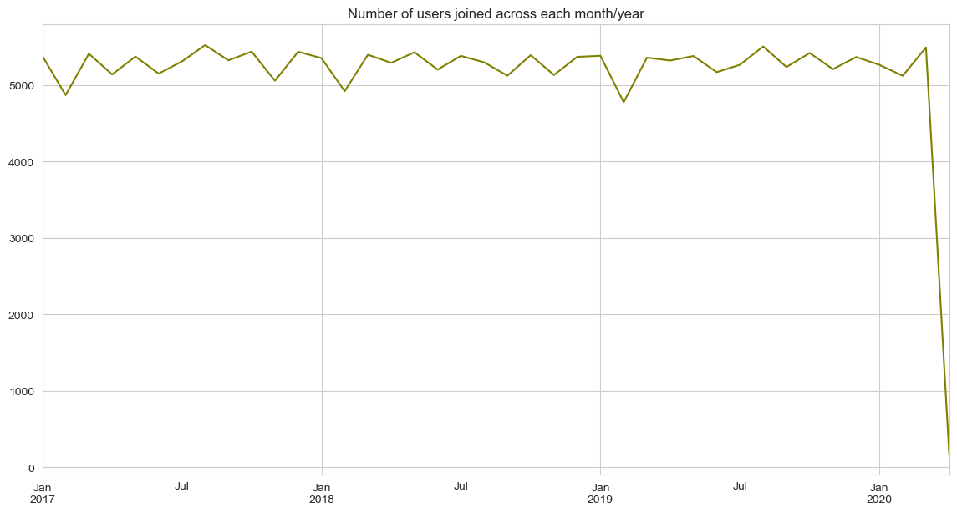
1. The count of users who joined the application in each month across all years within the documented timeframe is remarkably consistent.

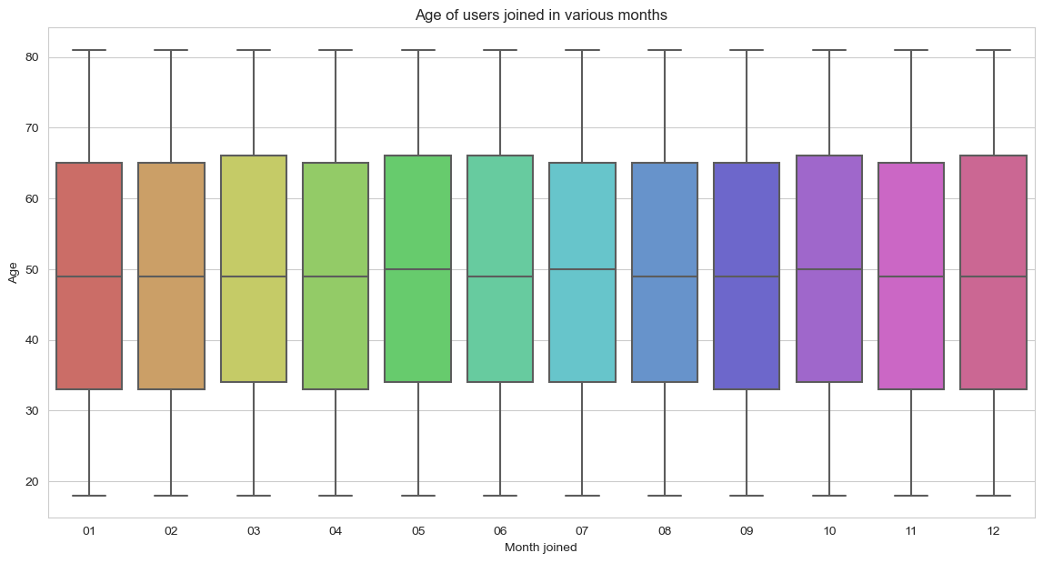
2. Upon closer examination of users who joined the application during various months, it becomes evident that there are remarkably similar age distribution patterns among different groups.¶

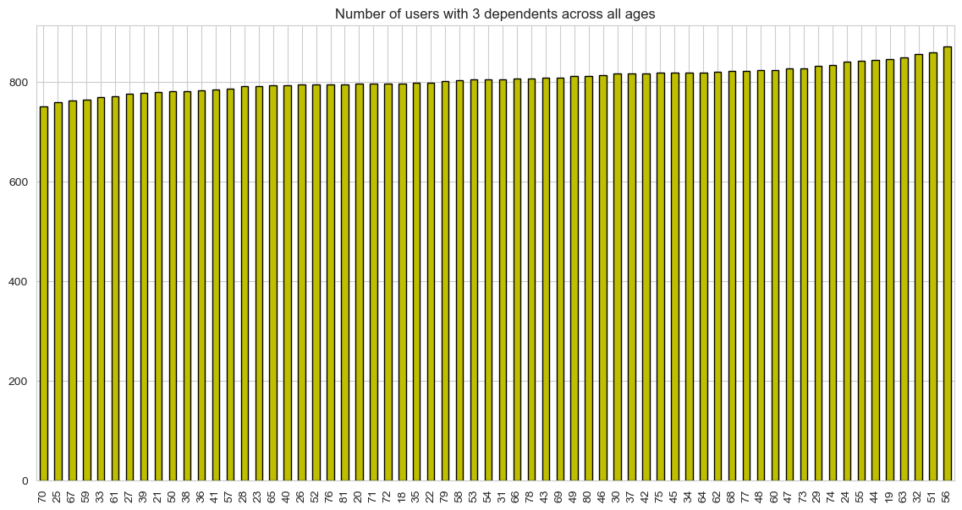
3. Within the Instacart user base, an unusual scenario arises where an almost identical number of individuals have three children at both 20 and 81 years of age. This occurrence appears highly atypical.

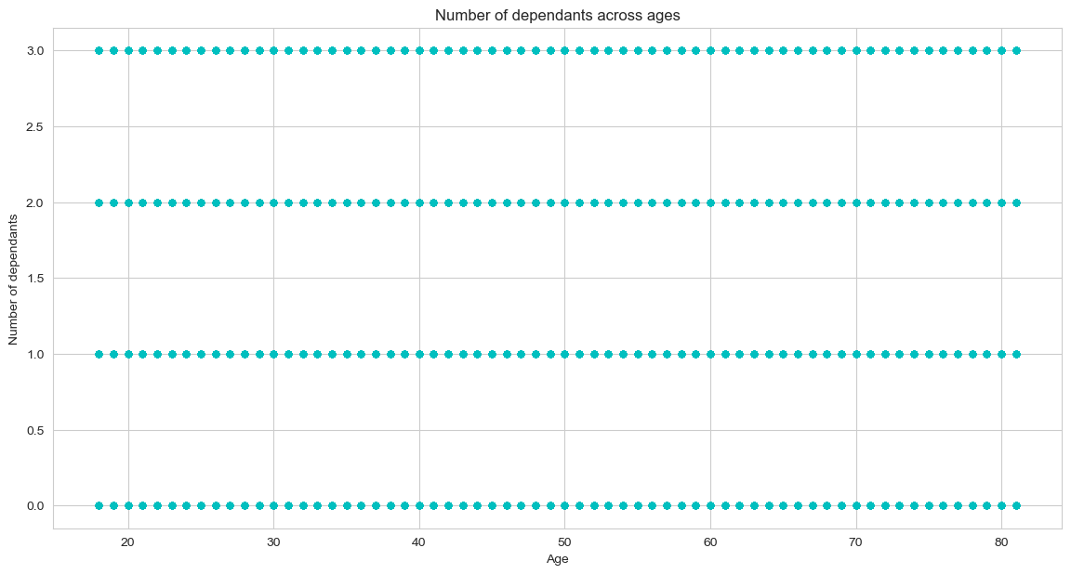
4. It's logical to expect a positive correlation between age and the number of dependants. But the actual findings reveal no such correlation.

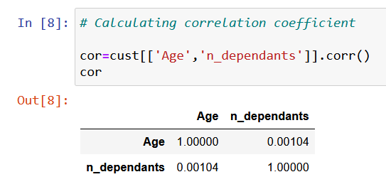
Correlation between user age and number of dependents is almost non-existant.

9. Bonus Missing Product Data
Addressing Missing Product Data in Instacart Analysis
In our examination of the Instacart final project, our analysis solely relies on the fully integrated dataset. However, upon performing a comprehensive full outer join of the products and orders datasets, a substantial number of mismatched records came to light. As a part of the exercise, I've deleted 16 rows of data from the products data where product names were missing. As a result, after performing a full outer join, I encountered instances of product IDs that do not align with any corresponding products in the provided product dataset. There are also instances where distinct products share identical IDs.
Scenario: I imagime flagging this issues to Instacart management and receiving a request to fix the data.
- I fix product IDs in products data set and replace them with updated values.
- I receive information about the products missing from the products dataset. Using this information I create a new dataframe and append it to the original products data.
- I confirm that the data is now fully merged and there are no missing values with the exeption of the order information for the products that have never been ordered.
The script can be reviewed in "Bonus. Addressing Missing Product Data in Instacart Analysis.ipynb.
Title page

